Introduction
Introduction

A comprehensive manual and educational guidelines for this tool (in German) are available on:
http://www.diz.ethz.ch/projects/master4/dokumente/ManualWorkload

Getting Started

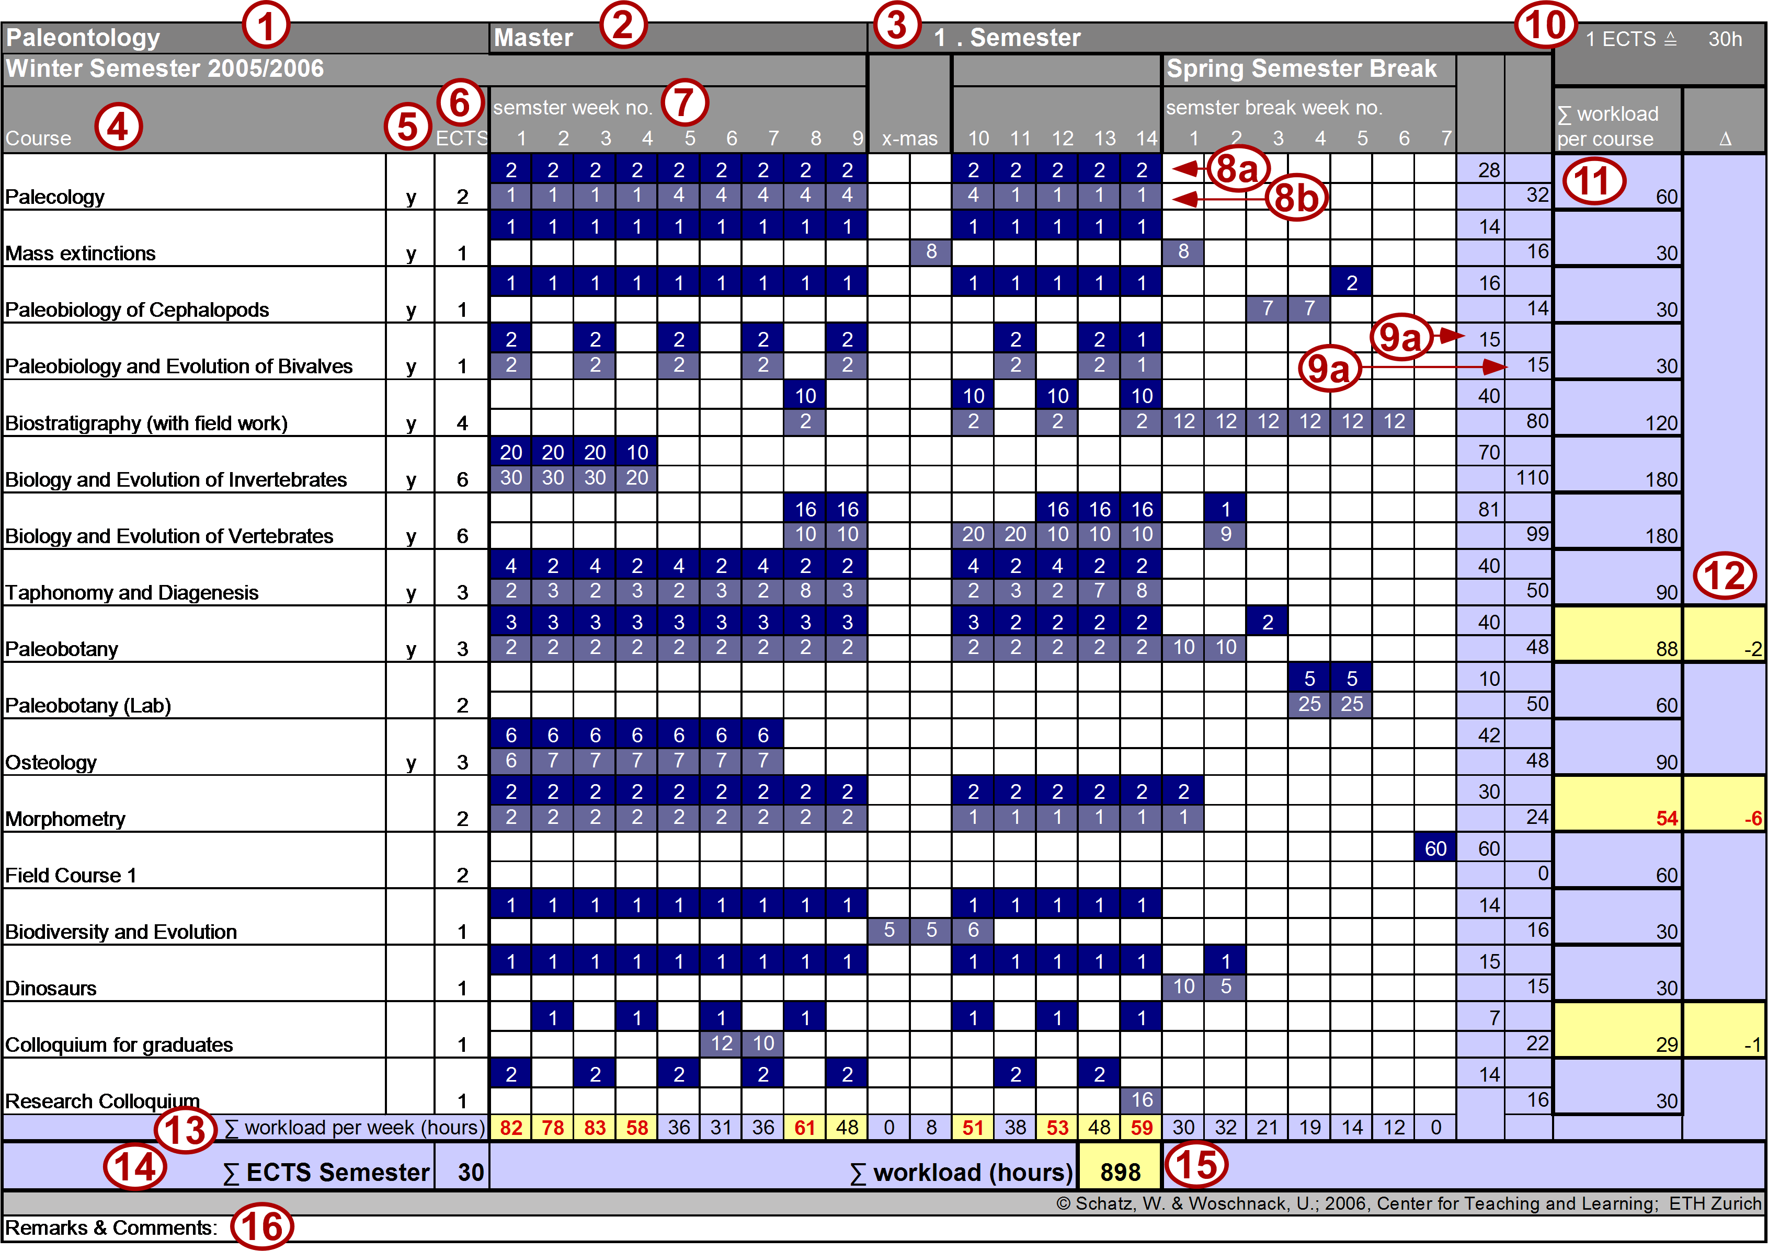
I. | Choose a Semester
 | Data can only be filled in white fields
II. | Fill in general information (Name of program, level [Bachelor or Master] and No. of Semester) No. 1 - 3 in Figure
III. | Fill in the courses of your program (Column 4 in Figure)
IV. | Fill in the allocated ECTS Credit points (Column 6 in Figure)
V. | Insert no. of hours of "fixed" student workload per week for each course (classroom time, e.g. time for attending the course, time to write the exam, ..). (Row 8a in Figure)
VI. | Insert no. of hours of "free" student workload per week for each course (e.g. time for exam preparation, self study, thesis writing, etc.). (Row 8b in Figure)
VII. | Choose "allocation formula": 1 ECTS ≙ 30h workload or 25-30h workload (Field AJ1, No. 10 in Figure)
VIII: | Decide, which courses should be integrated into the computation: insert a "y" in column 5

 | The tool will compute: the workload for each course (No. 11 in Figure) and its difference to the ECTS allocation (No. 12 in Figure) the workload per week (No. 13 in Figure) and the total No. of ECTS (No. 14 in Figure) and workload for the whole program (No. 15 in Figure)

An example with explications is available on the sheet "example"

Remarks and suggestions to:
[mail]

© Wolfgang Schatz, Ute Woschnack Center for teaching and learning, ETH Zurich

